Community Engagement Tool
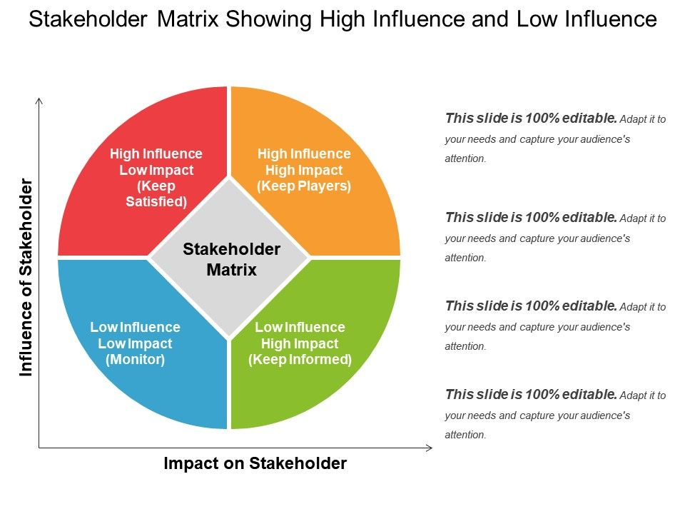
Community Engagement Plan

Step 1: Take Stock of Your Supporters and Opponents Using the Stakeholder Matrix
Start by utilizing the stakeholder matrix (shown on the right) to assess the community assets you have to support your renewal. You will want to identify both proponents and opponents that will be highly influential.

Highly influential and actively supporters (e.g. parents, teachers, students, board members, community partners)
Name |  | Contact Information |  | Relationship Notes

Highly influential and actively opposed (e.g. former parents and teachers, community members, district leaders)
Name |  | Contact Information |  | Relationship Notes

Step 2: Leverage Your Highly Influential and Actively Supportive Stakeholders
Activating this group is your highest priority. Ask them to send letters of support, make contact with board members, and be active on your behalf on social media. Brief this group on your timeline for activities and ask them to be third party communicators if the need arises. The Ask column below provides several examples of how you can engage these stakeholders effectively. Be sure to utilize a variety of different tactics.

Support Target | Ask | Team Lead | Deadline | Status | Notes

Step 3: Neutralize Your Highly Influential and Actively Opposed Stakeholders
Neutralizing this group is your second priority. You can do this by exposing falsehoods and refuting their points through the use of effective arguments. To engage opponents, understand what argument they are lobbying against you and determine which counter-argument will be an effective response. It may also be effective to make this group the target of your advocacy to try to convert them to supporters.

Opposed Target | Issue Raised | Counter Argument | Team Lead | Status | Notes

Step 4: Educate and Turn Out Your Community for Board Meetings
You will need to mobilize parents, students, teachers, board members and other community supporters to attend both the public and decision hearings. Plan to fill the room with your supporters to demonstrate broad community support for the continued operation of your school. This is especially important if you expect organized opposition or a negative staff recommendation. We suggest you develop the following materials to support in the activities outlined below: - 2-page executive summary of school accomplishments/successes/data - Talking points addresses potential issues that may arise (e.g. demographics, special education services, student outcomes) - Renewal timeline - Sample letter of support - If board meetings are virtual, specific instructions for how supporters can join the meeting online, provide public comment, or send in comment ahead of time.

Activity |  | Team Lead | Deadline | Status | Materials Needed
Hold a school meeting to share timeline/info about renewal
Provide renewal timeline/activity updates in regular school communications
Execute email letter support campaign to Board members
Provide regular updates/highlight wins through social media
Recruit attendees for public hearing (either in person or virtual)
Identify 10-12 diverse speakers and prep them talking points for public hearing (either in person or virtual)
Recruit attendees for decision hearing (either in person or virtual)
Identify 10-12 diverse speakers and prep them talking points for decision hearing (either in person or virtual)

